Notes
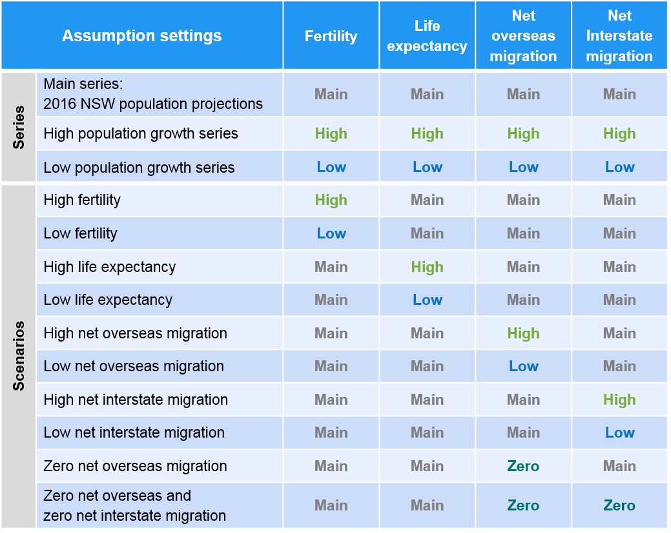
2016 New South Wales State Population Projections

Introduction
This Excel workbook presents population projections for the period 2011 to 2036, for New South Wales as a whole. They supersede the previously published 2014 Final New South Wales State and Local Government Area Population Projections, 2011-2031.
The 2016 NSW population projections show how many people may be living in the state in another 25—30 years. They are based on what we believe is most likely to happen over that time to births, deaths and migration. However the future is not known with exact certainty. Unexpected events may alter the future levels of birth, deaths and migration and the resulting amount of population growth. So other population futures should be considered.
This file includes the main projection series as well as a range of different projections that show the impact on the NSW population when the assumed levels of births, deaths or migration are changed. The following table shows how each of the four components of population change have been altered for each alternative projection.
Main Series Assumptions
The 2016 NSW population projections take into account findings from the 2011 Census of Population and Housing, final rebased and recast Estimated Resident Populations (ERPs) published by the Australian Bureau of Statistics for the period 1991-2011, and the latest data and expertise on births, deaths and migration.
The following assumptions have been used for NSW as a whole in the 2016 projections:
Fertility (births) - Total fertility rate increases from current levels to 1.96 births per woman by 2036
Life expectancy (deaths) - Life expectancy at birth increases from current levels to 88.2 years for females, and to 85.0 years for males, by 2036
Net overseas migration - Net overseas migration gains increase from current levels to 74,000 per annum by 2036
Net interstate migration - Net interstate migration losses increase from current levels to -17,000 per annum by 2036
Projection scenarios
A range of projection scenarios have also been developed. Each scenario was created by adjusting the assumption for one component of population change (births or deaths or migration). They show the impact on population size, growth rates, the drivers of population change and the population age profiles when levels of births, deaths or migration are lower/higher than assumed in the main projection series.
Low fertility - Total fertility rate increases from current levels to 1.84 births per woman by 2036
High fertility - Total fertility rate increases from current levels to 2.12 births per woman by 2036
Low life expectancy - Life expectancy at birth increases from current levels to 86.9 years for females, and to 83.3 years for males, by 2036
High life expectancy - Life expectancy at birth increases from current levels to 90.6 years for females, and to 87.3 years for males, by 2036
Low net overseas migration - Net overseas migration gains decrease from current levels to 58,700 per annum by 2036
High net overseas migration - Net overseas migration gains increase from current levels to 81,150 per annum by 2036
Low net interstate migration - Net interstate migration losses increase from current levels to -22,000 per annum by 2036
High net interstate migration - Net interstate migration losses increase from current levels to -12,000 per annum by 2036
Zero net overseas migration - Net overseas migration is set to 0 per annum for the period 2016-2036
Zero net overseas migration and zero net interstate migration - Net overseas migration is set to 0 per annum and net interstate migration is set to 0 per annum for the period 2016-36
USER WARNING: LIMITATIONS OF POPULATION PROJECTIONS
Users are advised that population projections are not precise predictions of the demographic future. They are the populations which result from certain assumptions being made about future trends in births, deaths and migration. Whilst the assumptions reflect the current outlook regarding these trends, it is quite possible that they will not eventuate. Births and migration (and to a lesser extent, deaths) are influenced by a wide variety of social, economic and political factors, many of which cannot be foreseen with any degree of precision.
In addition, trends in births, deaths and migration are characterised by year-to-year fluctuations. Because the fluctuations are impossible to predict, projection assumptions for births, deaths and migration have to be formulated as long-term averages. Actual trends in births, deaths and migration will fluctuate either side of the smooth path of the long-run assumptions.
These projections do not necessarily reflect policy positions and may well differ from policy targets expressed in the Department of Planning & Environment’s Metropolitan and Regional Plans.
Rounding
Population numbers are rounded to the nearest 50. They should not be taken to be accurate to that level of detail.
Accronyms
NOM - Net Overseas Migration
NIM - Net Interstate Migration
Contact us
If you have any questions or comments please contact the Demography Unit, Demography and Economics Branch, Department of Planning & Environment, GPO Box 39, Sydney, NSW 2001
email population@planning.nsw.gov.au
Disclaimer
While every reasonable effort has been made to ensure that these projections are correct at the time of release, the State of New South Wales, its agents and employees, disclaim any and all liability to any person in respect of anything or the consequences of anything done or omitted to be done in reliance upon the whole or any part of these projections.

